Web Crossbrowser Test
Chrome | Cycle1 | Total Test case | Firefox | Cycle1 | Total Test case | Microsoft Edge | Cycle1 | Total Test case
Passed | 30 | 30 | Passed | 30 | 30 | Passed | 30 | 30
Failed | 2 | 2 | Failed | 2 | 2 | Failed | 2 | 2
Not Executed | 0 | 0 | Not Executed | 0 | 0 | Not Executed | 0 | 0
Total Test Case | 32 | 32 | Total Test Case | 32 | 32 | Total Test Case | 32 | 32
%Total Test Cace |  |  | %Total Test Cace |  |  | %Total Test Cace
%Pass |  |  | %Pass |  |  | %Pass
%Failed |  |  | %Failed |  |  | %Failed
%Not excuted |  |  | %Not excuted |  |  | %Not excuted
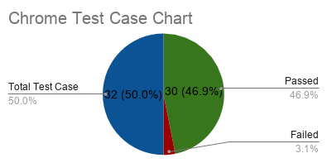
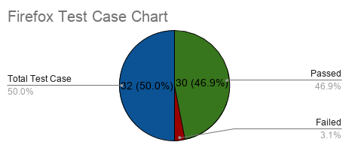
Microsoft Edge
 | Cycle1
Passed | 30
Failed | 2
Not Executed | 0
Total Test Case | 32
%Total Test Cace
%Pass
%Failed
%Not excuted

